Conditional Formatting
 |  |  |  | 0 | 100 | 120 | =IF(AND($D4<=E$2,$D4>E$1),$C4,"")
 |  |  |  | 100 | 120 | 2000
Row Labels | Average of SalePrice | Average of GrLivArea | Price per Sq.ft | 0-100 | 100-120 | 120-2000
Blmngtn | 194871 | 1428 | 136
Blueste | 137500 | 1393 | 99
BrDale | 104494 | 1143 | 91
BrkSide | 124834 | 1203 | 104
ClearCr | 212565 | 1788 | 119
CollgCr | 197966 | 1481 | 134
Crawfor | 210625 | 1792 | 118
Edwards | 128220 | 1340 | 96
Gilbert | 192855 | 1641 | 117
IDOTRR | 100124 | 1142 | 88
MeadowV | 98576 | 1059 | 93
Mitchel | 156270 | 1294 | 121
NAmes | 145847 | 1310 | 111
NoRidge | 335295 | 2509 | 134
NPkVill | 142694 | 1253 | 114
NridgHt | 316271 | 1916 | 165
NWAmes | 189050 | 1728 | 109
OldTown | 128225 | 1480 | 87
Sawyer | 136793 | 1215 | 113
SawyerW | 186556 | 1595 | 117
Somerst | 225380 | 1597 | 141
StoneBr | 310499 | 1879 | 165
SWISU | 142591 | 1801 | 79
Timber | 242247 | 1749 | 138
Veenker | 238773 | 1540 | 155
Grand Total | 180921 | 1515 | 119

Sheet4
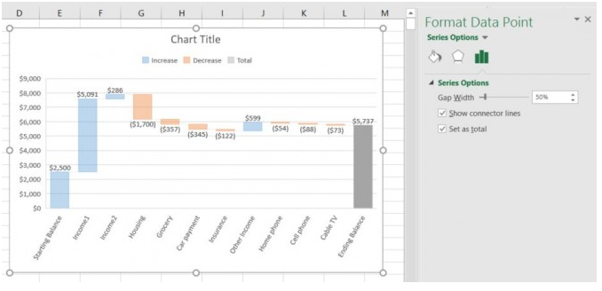
Total_1 | 1000
Part 1 | 100
Part 2 | -30
Part 3 | 80
Rest | 45
Total_2 | 1195

Conditional Formatting Final
 | 0-100 | 100-120 | 120-2000
Blmngtn | 0 | 0 | 1428
Blueste | 1393 | 0 | 0
BrDale | 1143 | 0 | 0
BrkSide | 0 | 1203 | 0
ClearCr | 0 | 1788 | 0
CollgCr | 0 | 0 | 1481
Crawfor | 0 | 1792 | 0
Edwards | 1340 | 0 | 0
Gilbert | 0 | 1641 | 0
IDOTRR | 1142 | 0 | 0
MeadowV | 1059 | 0 | 0
Mitchel | 0 | 0 | 1294
NAmes | 0 | 1310 | 0
NoRidge | 0 | 0 | 2509
NPkVill | 0 | 1253 | 0
NridgHt | 0 | 0 | 1916
NWAmes | 0 | 1728 | 0
OldTown | 1480 | 0 | 0
Sawyer | 0 | 1215 | 0
SawyerW | 0 | 1595 | 0
Somerst | 0 | 0 | 1597
StoneBr | 0 | 0 | 1879
SWISU | 1801 | 0 | 0
Timber | 0 | 0 | 1749
Veenker | 0 | 0 | 1540
Grand Total | 0 | 1515 | 0
 |  |  |  | 0 | 100 | 120
 |  |  |  | 100 | 120 | 2000
Row Labels | Average of SalePrice | Average of GrLivArea | Column1 | 0-100 | 100-120 | 120-2000
Blmngtn | 194871 | 1428 | 136 |  |  | 1428
Blueste | 137500 | 1393 | 99 | 1393
BrDale | 104494 | 1143 | 91 | 1143
BrkSide | 124834 | 1203 | 104 |  | 1203
ClearCr | 212565 | 1788 | 119 |  | 1788
CollgCr | 197966 | 1481 | 134 |  |  | 1481
Crawfor | 210625 | 1792 | 118 |  | 1792
Edwards | 128220 | 1340 | 96 | 1340
Gilbert | 192855 | 1641 | 117 |  | 1641
IDOTRR | 100124 | 1142 | 88 | 1142
MeadowV | 98576 | 1059 | 93 | 1059
Mitchel | 156270 | 1294 | 121 |  |  | 1294
NAmes | 145847 | 1310 | 111 |  | 1310
NoRidge | 335295 | 2509 | 134 |  |  | 2509
NPkVill | 142694 | 1253 | 114 |  | 1253
NridgHt | 316271 | 1916 | 165 |  |  | 1916
NWAmes | 189050 | 1728 | 109 |  | 1728
OldTown | 128225 | 1480 | 87 | 1480
Sawyer | 136793 | 1215 | 113 |  | 1215
SawyerW | 186556 | 1595 | 117 |  | 1595
Somerst | 225380 | 1597 | 141 |  |  | 1597
StoneBr | 310499 | 1879 | 165 |  |  | 1879
SWISU | 142591 | 1801 | 79 | 1801
Timber | 242247 | 1749 | 138 |  |  | 1749
Veenker | 238773 | 1540 | 155 |  |  | 1540
Grand Total | 180921 | 1515 | 119 |  | 1515

